Assignment 1
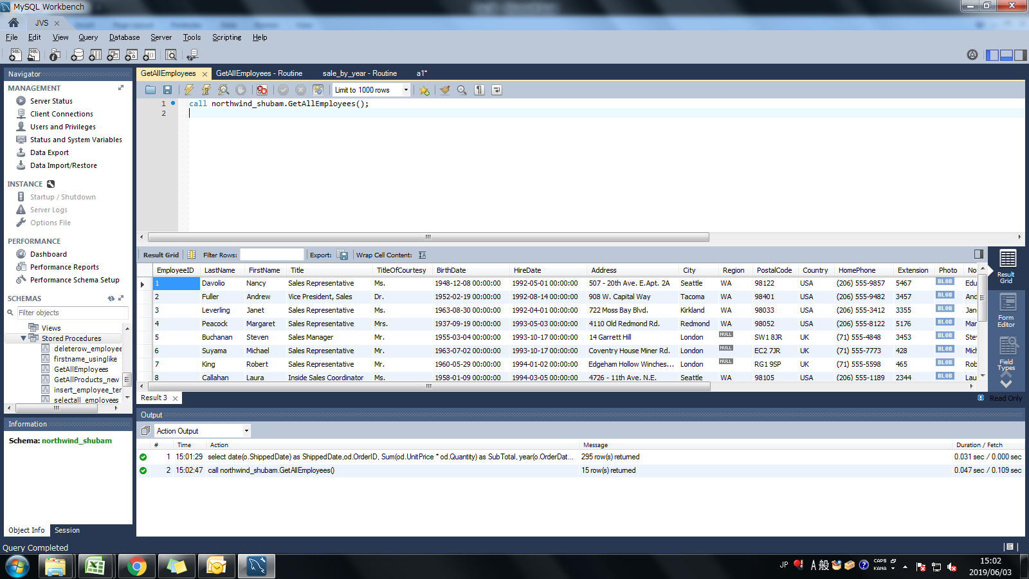
Assignment: | Create a Stored Procedure GetAllEmployees that "lists all the employees from employee table"

Query: | CREATE DEFINER=`shubam`@`%` PROCEDURE `GetAllEmployees`()
 | BEGIN
 | select * from Employees;
 | END
Screen Shoot:

Assignment 2
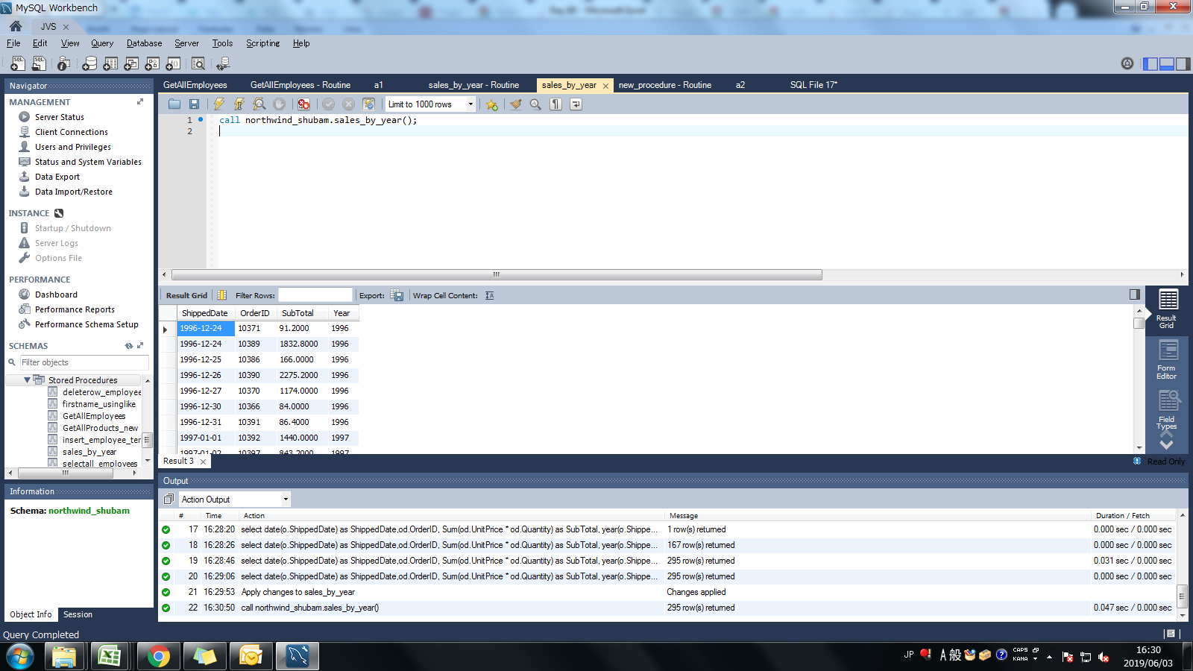
Assignment: | Create a Stored procedure sales_by_year that "Displays sales of all the products by shippeddate 1996-12-24 to 1997-09-30"
 | Resultant set should list ShippedDate, OrderID, Subtotal from an imaginary table and Year

Query: | CREATE DEFINER=`shubam`@`%` PROCEDURE `sales_by_year`()
 | BEGIN
 | select date(o.ShippedDate) as ShippedDate,od.OrderID, Sum(od.UnitPrice * od.Quantity) as SubTotal, year(o.ShippedDate) as Year from orders as o inner join orderDetails as od
 | on od.OrderID = o.OrderID and o.ShippedDate between '1996-12-24' and '1997-09-30'
 | group by od.OrderID order by o.ShippedDate;
 | END

Screen Shoot:

Assignment 3
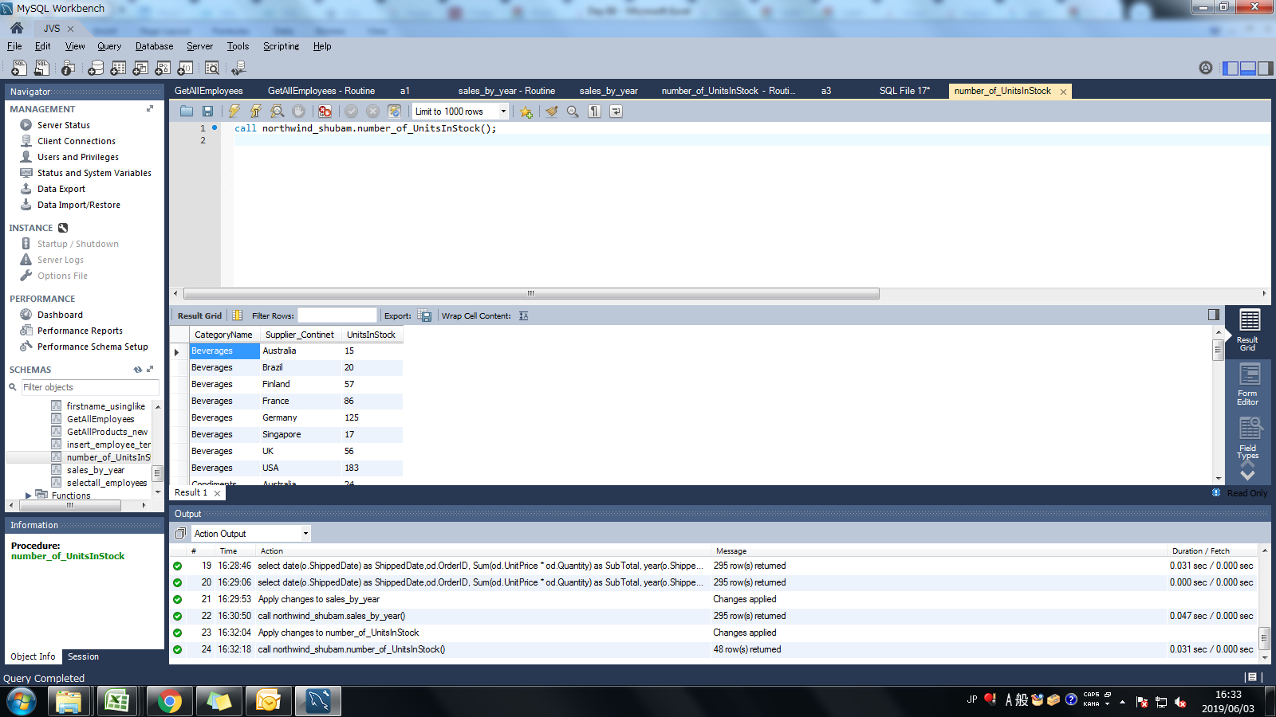
Assignment: | Create a Stored procedure number_of_UnitsInStock that "Displays No. of UnitsInStock by Category and Supplier Continent."

Query: | CREATE DEFINER=`shubam`@`%` PROCEDURE `number_of_UnitsInStock`()
 | BEGIN
 | select c.CategoryName,s.Country as Supplier_Continet, sum(p.UnitsInStock) as UnitsInStock from suppliers as s join products as p join categories as c
 | on c.CategoryID = p.CategoryID and s.SupplierID = p.SupplierID
 | group by s.Country, c.CategoryName order by c.CategoryName asc,s.Country asc;
 | END

Screen Shoot:

